NVL_Hx_Dashboard
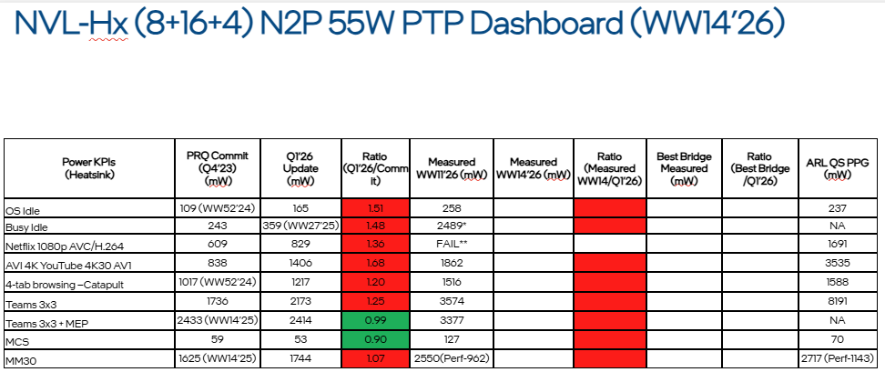
Power KPIs​ | PRQ Commit​ (Q4’23)​ (mW)​ | Q1'26 ​ Update​ (mW)​ | Ratio ​(Q1’25/Commit)​ | Measured WW13'26​ | Ratio (Measured WW13/Q4’25)​ | Best Bridge Measured (mW)​ | Ratio ​(Best Bridge /Q4’25)​ | ARL QS PPG​ (mW)​
OS Idle | 109 (WW52’24)​ | 165 | 1.51 | 229.0 | 1.39 | ​ | ​ | 237​
Busy Idle | 243​ | 359 (WW27’25)​ | 1.48 | 616.8 | 1.72 | ​ | ​ | NA​ | spotify ads pop out consumed high power
Netflix 1080p AVC/H.264 | 609 | 829 | 1.36 | 1778.8 | 2.15 | ​ | ​ | 1691​ | DRAM check, acc
AVI 4K YouTube 4K30 AV1 | 838 | 1406 | 1.68 | 1920.0 | 1.37 | ​ | ​ | 3535​
4-tab browsing –Catapult | 1017 (WW52’24)​ | 1217 | 1.20 | 1720.0 | 1.41 | ​ | ​ | 1588​
Teams 3x3 | 1736 | 2173 | 1.25 | 3052.9 | 1.40 | ​ | ​ | 8191​
Teams 3x3 with MEP | 2433 (WW14’25)​ | 2414 | 0.99 | 3432.5 | 1.42 | ​ | ​ | NA​
MCS | 59 | 53 | 0.90 | 114.9 | 2.17 | ​ | ​ | 70​ | ISH dis/en - check s0ix changes
MM30 | 1625 (WW14’25)​ | 1744 | 1.07 | 3129.0 | 1.79 | ​ | ​ | 2717 (Perf-1143)​

WW11'26 Dashboard from PTP FM

graph
NVLHx BL KPI power measured vs projected
Measured
 | CMS | IDON | Busy Idle | MM30 | Catapult Brow | Youtube 4K | Netflix | Teams3x3 | Teams3x3 MEP
P_VCC_LP_ECORE-measured | 0.00 | 9.01 | 51.26 | 351.00 | 186.72 | 217.23 | 379.41 | 379.79 | 493.97
P_VCCPRIM_IO-measured | 20.93 | 40.48 | 106.35 | 196.00 | 176.14 | 144.61 | 183.21 | 305.39 | 220.34
P_VCCPRIM_VNNAON-measured | 73.59 | 114.78 | 230.28 | 508.00 | 420.69 | 428.71 | 686.95 | 618.70 | 729.92
P_VCCPRIM_1P8​-measured | 0.52 | 0.82 | 1.09 | 3.00 | 1.51 | 2.72 | 1.76 | 14.70 | 1.68
P_VCCRTC-measured | 0.03 | 0.00 | 0.00 | 0.00 | 0.04 | -0.03 | 0.02 | -0.03 | -0.03
P_VCCPRIM_1P8_FLTRA-measured | 0.60 | 1.59 | 3.72 | 6.00 | 5.37 | 6.14 | 6.48 | 8.12 | 7.23
P_VCCPRIM_1P8_FLTRB-measured | 18.36 | 21.20 | 31.15 | 88.00 | 58.14 | 60.38 | 104.09 | 79.14 | 103.72
P_VDDQ_CPU-measured | -0.40 | 2.15 | 9.08 | 25.00 | 23.23 | 36.70 | 48.15 | 46.37 | 47.83
P_VDD2H_CPU-measured | 1.30 | 8.58 | 34.47 | 111.00 | 99.34 | 144.07 | 191.71 | 192.69 | 201.65
P_VCCCORE-measured | 0.00 | 4.07 | 25.53 | 1208.00 | 237.93 | 120.86 | 736.18 | 299.57 | 659.35
P_VCCGT-measured | 0.00 | 0.01 | 0.01 | 76.00 | 48.55 | 2.92 | 14.06 | 7.44 | 14.16
P_VCCSA-measured | 0.00 | 26.35 | 123.88 | 557.00 | 462.33 | 782.79 | 808.53 | 1101.02 | 952.67
P_MCP_TOTAL-measured | 114.94 | 229.04 | 616.79 | 3129.00 | 1719.99 | 1947.09 | 3160.55 | 3052.91 | 3432.50

Projected
 | CMS | IDON | Busy Idle | MM30 | Catapult Brow | Youtube 4K | Netflix | Teams3x3 | Teams3x3 MEP
P_VCC_LP_ECORE-projected | 0.00 | 4.98 | 17.54 | 333.80 | 223.63 | 155.00 | 74.81 | 15.86 | 480.32
P_VCCPRIM_IO-projected | 1.76 | 14.51 | 35.66 | 122.14 | 123.77 | 112.00 | 112.08 | 186.64 | 193.15
P_VCCPRIM_VNNAON-projected | 45.92 | 73.17 | 149.64 | 348.46 | 362.97 | 363.00 | 297.21 | 537.20 | 536.51
P_VCCPRIM_1P8​-projected | 4.10 | 4.23 | 4.94 | 12.87 | 6.69 | 51.00 | 5.26 | 6.76 | 6.15
P_VCCRTC-projected | 0.05 | 0.05 | 0.05 | 0.05 | 0.05 | 0.05 | 0.05 | 0.05 | 0.05
P_VCCPRIM_1P8_FLTRA-projected | 0.00 | 0.00 | 0.00 | 0.00 | 0.00 | 0.00 | 0.00 | 0.00 | 0.00
P_VCCPRIM_1P8_FLTRB-projected | 0.00 | 0.00 | 0.00 | 0.00 | 0.00 | 0.00 | 0.00 | 0.00 | 0.00
P_VDDQ_CPU-projected | 0.00 | 3.33 | 4.73 | 59.62 | 50.88 | 47.00 | 23.48 | 60.89 | 53.44
P_VDD2H_CPU-projected | 0.87 | 16.40 | 29.61 | 187.73 | 169.60 | 217.00 | 87.01 | 268.76 | 278.40
P_VCCCORE-projected | 0.00 | 0.00 | 17.54 | 378.85 | 19.38 | 3.00 | 0.00 | 15.86 | 6.25
P_VCCGT-projected | 0.00 | 0.00 | 0.00 | 33.24 | 16.97 | 0.39 | 0.00 | 45.15 | 46.10
P_VCCSA-projected | 0.21 | 53.86 | 114.59 | 406.84 | 445.89 | 458.00 | 385.59 | 657.63 | 948.36
P_MCP_TOTAL-projected | 53.00 | 165.00 | 359.53 | 1744.00 | 1217.00 | 1406.00 | 829.00 | 2173.00 | 2414.00

